Configurations
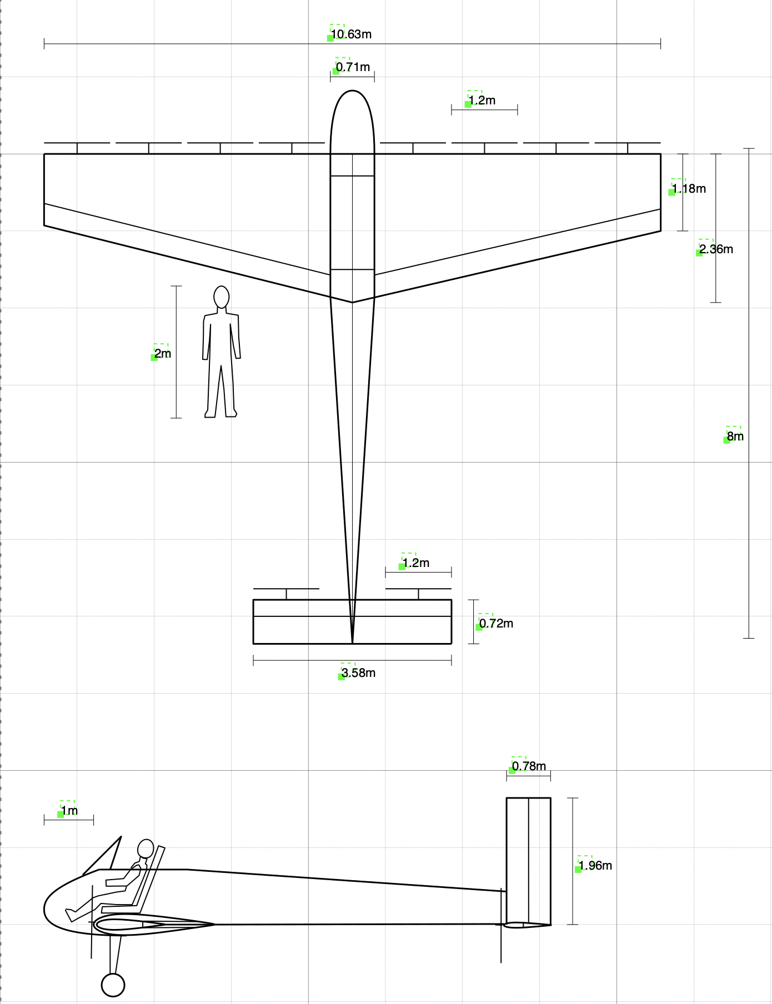
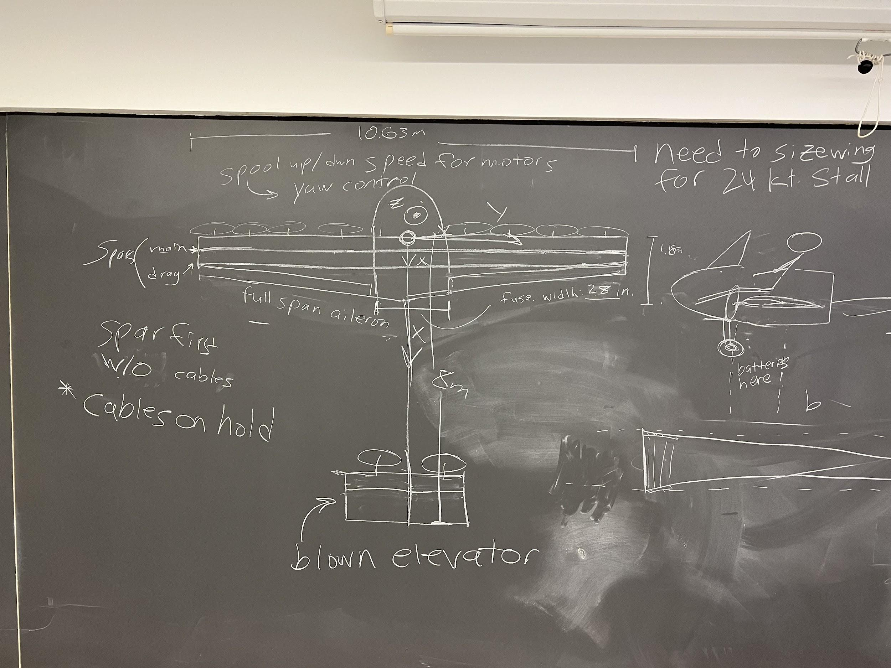
Wing | value | units
Area | 18.82 | m^2
Aspect Ratio | 6 | -
Span | 10.63 | m
Taper Ratio | 0.5 | -
Root Chord | 2.36 | m
Tip Chord | 1.18 | m
Airfoil | NACA 0015 | -
Aileron Length | 4.9595 | m

Horiz. Tail
Area | 2.56 | m^2
Aspect Ratio | 5 | -
Span | 3.578 | m
Average Chord | 0.716 | m
Taper Ratio | 0.5 | -
Root Chord | 0.95 | m
Tip Chord | 0.48 | m
Airfoil | NACA 0012 | -

Vert Tail
Area | 1.54 | m^2
Aspect Ratio | 2.5 | -
Span | 1.962 | m
Average Chord | 0.785 | m
Taper Ratio | 0.65 | -
Root Chord | 0.95 | m
Tip Chord | 0.62 | m
Airfoil | NACA 0012 | -

Fuselage
Length origin to tail | 8 | m
Cockpit Width | 0.711 | m

Wing Motors
Number on Wing | 8 | -
Prop Radius | 0.61875 | m
Prop Diameter | 1.2375 | m

Tail Motors
Number on Tail | 2 | -
Prop Diameter | ? | m

Batteries
Mass |  | kg

Structures
Torque
radius
load
Bending Stress - Spar D tube
desired safety margin | 1.00
allowable | 503000000.00 | 1 mm thick, Pa
factor of safety | 1.50
Get Applied Stress | 167666666.70
# of g's | 6.00
Load | 6854.49
half span | 5.31319113200
dist to neutral axis "c" | 0.08855319
moment of inertia for both /d | 0.01568333333
Moment | 36419.22823
Get "d" len of spar caps | 1.22645E-03 | m

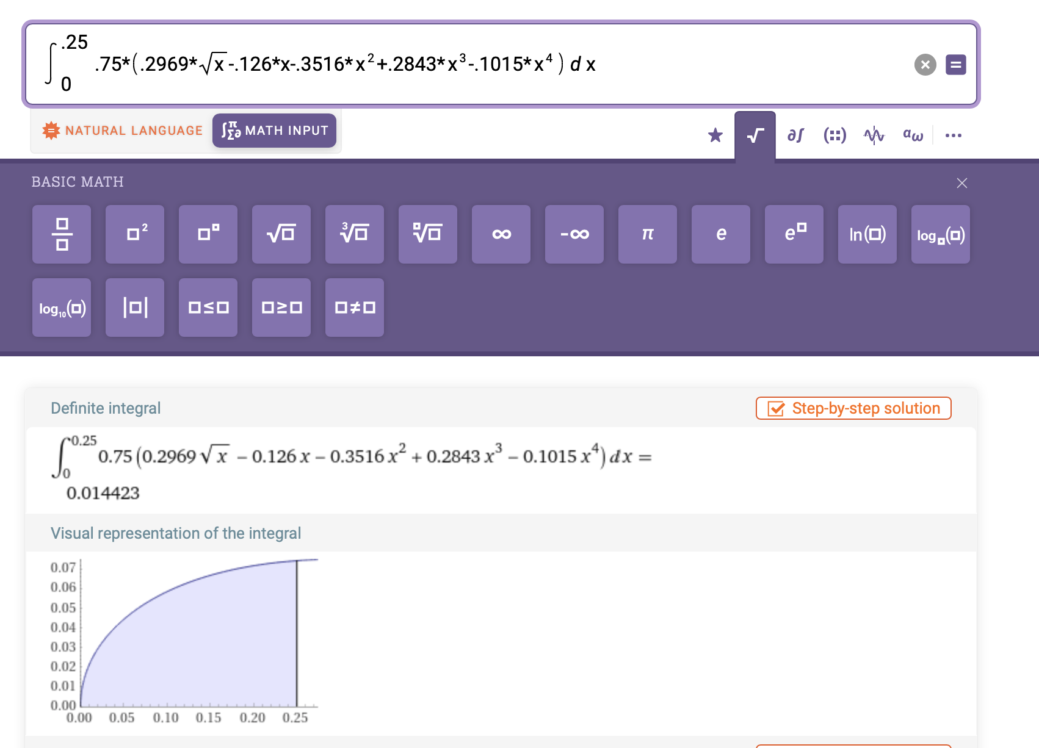
Torsional Bending Stress - Spar D tube
# of g's | 6.00 | m/s^2
Load | 6854.49 | N
Largest radius of the airfoil | 0.35421274 | m
Torque | 2427.95 | Nm
Area Enclosed | 0.03 | m^2
thickness | 0.001 | m thickness
Torsional Stress | 42084665.95 | Pa
Total Stress | 209751332.60 | bending + torsion
Safety Margin | 0.60

Torsional Bending Stress - HTail
# of g's | 6.00 | m/s^2
Load |  | N
Largest radius of the airfoil | 0.10000000 | m ( assuming its a rectangle)
Torque |  | Nm
Area Enclosed |  | m^2
thickness | 0.001 | m thickness
Torsional Stress |  | Pa
Total Stress |  | bending + torsion
Safety Margin

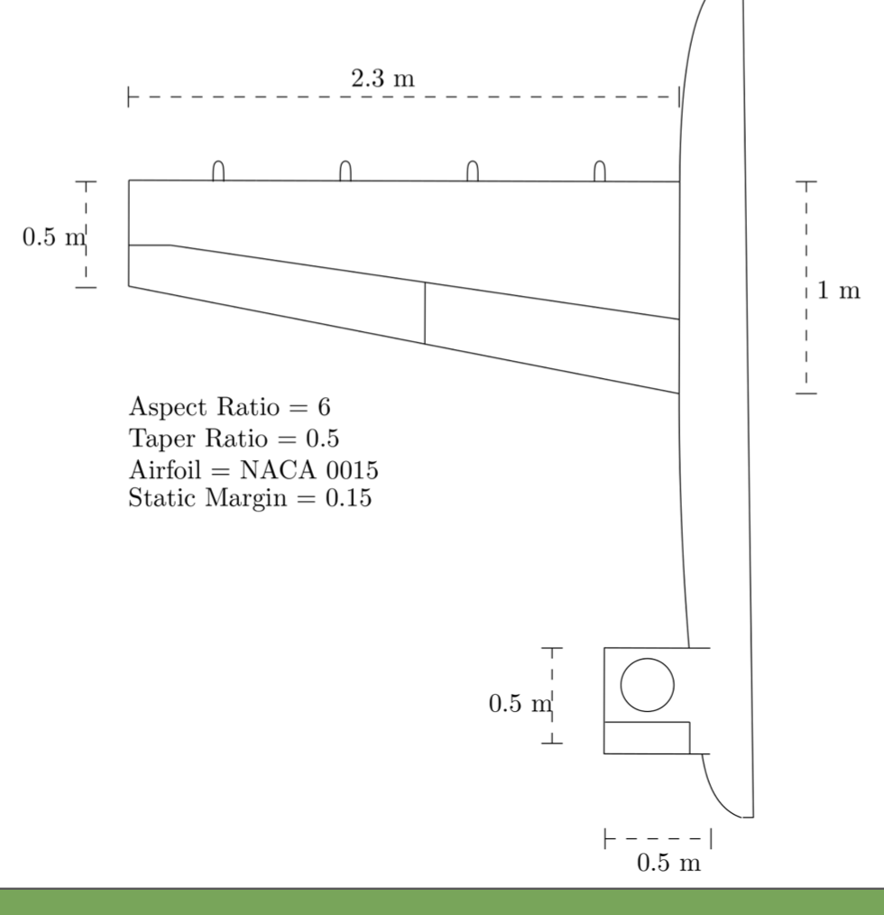
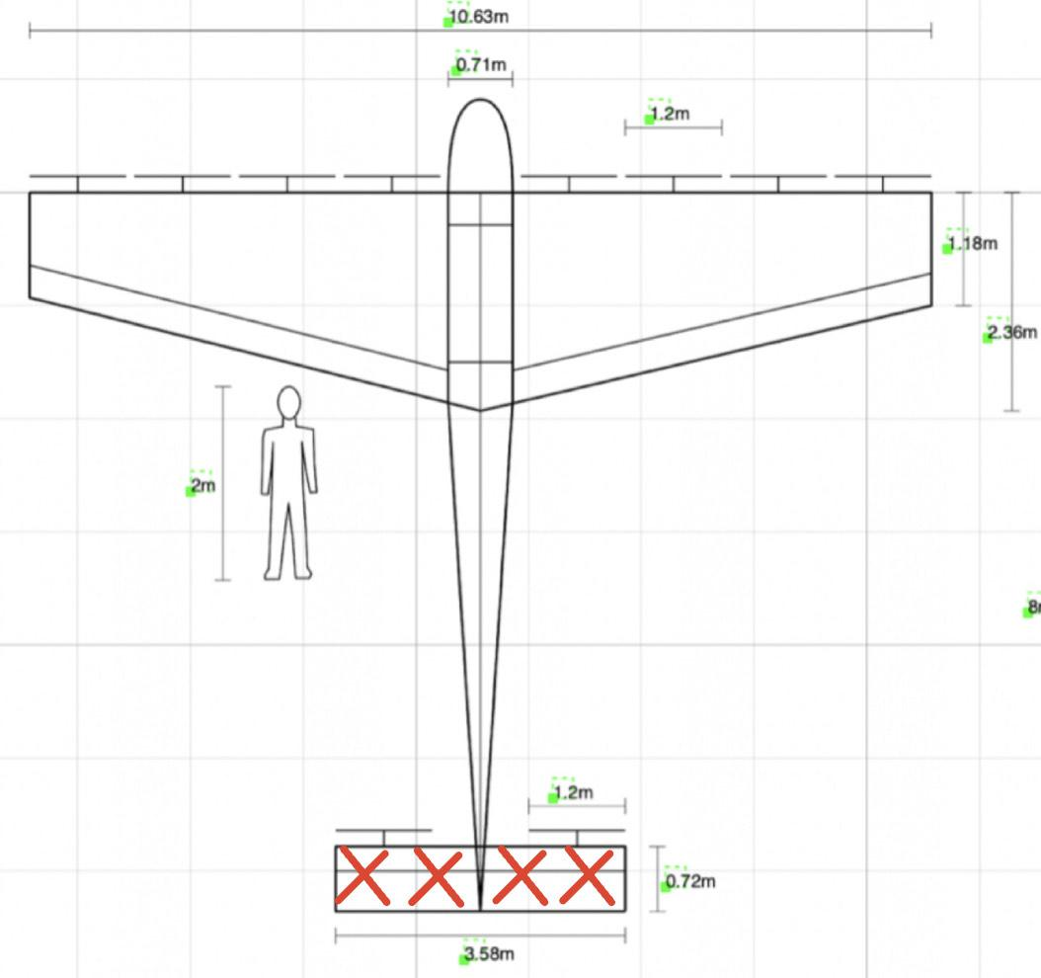
Bending Stress - Case 1 |  |  |  | Bending Stress HTail - Case 1
# of g's | 6.00 |  |  | # of g's | 6.00
Thrust Force "F" | 6854.49 | N (weight in kg*9.8) x 6g's /2 |  | Thrust Force "F" | 6854.49 | N (weight in kg*9.8) x 6g's /2
Half Span "b/2" | 5.31 | m |  | Half Span "b/2" | 1.79 | m
Total chord length "c" | 0.50 | m |  | Total chord length "c" | 0.72 | m
Height of wing "h" | 0.08 | m (thickness to chord ratio used to find) |  | Height of wing "h" |  | m (thickness to chord ratio used to find)
Dist to neutral axis | 0.04 |  |  | Dist to neutral axis | 0.00
Moment "M" | 18208.96 | N*m (distributed load) |  | Max Moment "M" | 10984.13 | N*m (distributed load on cantilever)
Area Mom. Inertia "I" outer | 0.00001757813 | m^4 |  | Area Mom. Inertia "I" outer |  | m^4
Area Mom. Inertia "I" inner | 0.00000665500 | m^4 (thickness of 2mm) |  | Area Mom. Inertia "I" inner |  | m^4 (thickness of 2mm)
Total Area Mom Inertia | 0.00001092313 | m^4 |  | Total Area Mom Inertia |  | m^4
Safety Factor | 1.5 |  |  | Safety Factor
Bending Stress | 6.25129E+07 | Pa |  | Bending Stress |  | Pa
Bending stress of Carbon Fiber | 6.22E+08 | Pa 2 mm |  | Bending stress of Carbon Fiber |  | Pa 2 mm
Safety Margin w/ 1.4 FS | 5.63 | (Allowable/Applied*FS) - 1 |  | Safety Margin w/ 1.4 FS |  | (Allowable/Applied*FS) - 1
 |  |  | Hello Professor Hall,
assume TWR = 1
2mm thick base | 0.48
2mm thick height | 0.06
 |  |  | Best,
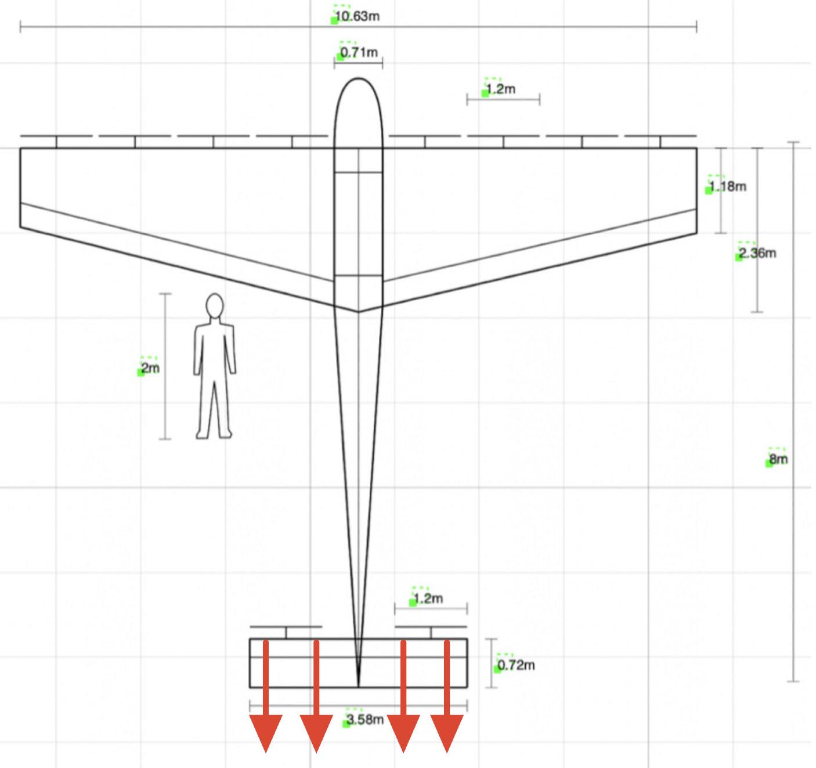
Bending Stress - Case 2 |  |  |  | Bending Stress HTail- Case 2
# of g's | 6.00 |  |  | # of g's | 6.00
Thrust Force "F" | 6854.49 | N (weight in kg*9.8) x 6g's /2 |  | Thrust Force "F" | 6854.49 | N (weight in kg*9.8) x 6g's /2
Half Span "b/2" | 5.31 | m |  | Half Span "b/2" |  | m
Total chord length "c" | 1.18 | m (smallest part) |  | Total chord length "c" |  | m
Height of wing "h" | 0.08 | m (thickness to chord ratio used to find) |  | Height of wing "h" |  | m (thickness to chord ratio used to find)
Dist to neutral axis | 0.59 |  |  | Dist to neutral axis
Moment "M" | 18208.96 | N*m (distributed load) |  | Moment "M" |  | N*m (distributed load)
Area Mom. Inertia "I" outer | 0.01026895000 | m^4 |  | Area Mom. Inertia "I" outer |  | m^4
Area Mom. Inertia "I" inner | 0.00715410667 | m^4 (thickness of 2mm) |  | Area Mom. Inertia "I" inner |  | m^4 (thickness of 2mm)
Total Area Mom Inertia | 0.00311484333 | m^4 |  | Total Area Mom Inertia |  | m^4
Safety Factor | 1.5 |  |  | Safety Factor
Bending Stress | 1.72453E+06 | Pa |  | Bending Stress |  | Pa
Bending stress of Carbon Fiber | 6.22E+08 | Pa 1 mm |  | Bending stress of Carbon Fiber |  | Pa 2 mm
Safety Margin w/ 1.4 FS | 239.45 | (Allowable/Applied*FS) - 1 |  | Safety Margin |  | (Allowable/Applied*FS) - 1

assume TWR = 1
2mm thick base | 1.16
2mm thick height | 0.06

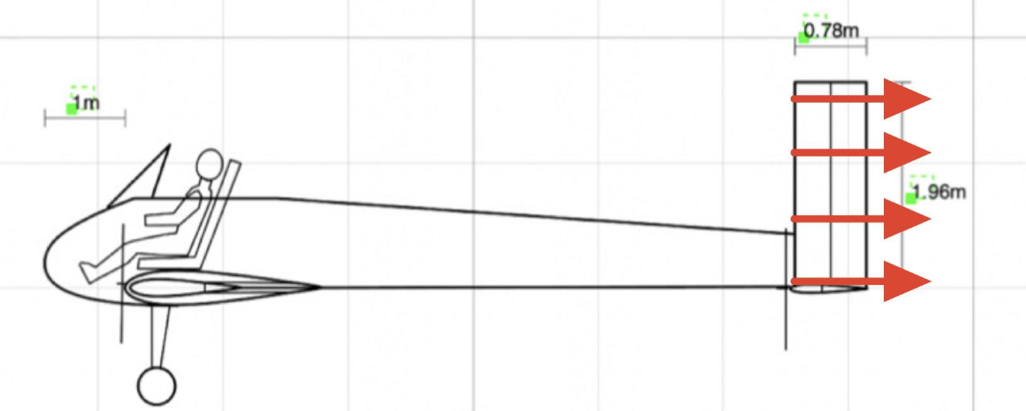
 |  |  |  | Bending Stress Vtail- Case 1
 |  |  |  | # of g's | 6.00
 |  |  |  | Thrust Force "F" | 6854.49 | N (weight in kg*9.8) x 6g's /2
 |  |  |  | Half Span "b/2" |  | m
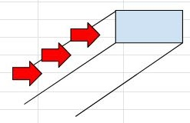
 |  |  |  | Total chord length "c" |  | m
 |  |  |  | Height of wing "h" |  | m (thickness to chord ratio used to find)
 |  |  |  | Dist to neutral axis
 |  |  |  | Moment "M" |  | N*m (distributed load)
 |  |  |  | Area Mom. Inertia "I" outer |  | m^4
 |  |  |  | Area Mom. Inertia "I" inner |  | m^4 (thickness of 2mm)
 |  |  |  | Total Area Mom Inertia |  | m^4
 |  |  |  | Safety Factor
 |  |  |  | Bending Stress |  | Pa
 |  |  |  | Bending stress of Carbon Fiber |  | Pa 2 mm
 |  |  |  | Safety Margin |  | (Allowable/Applied*FS) - 1
Center of Mass | Mass (kg) | x-position (m)
Pilot | 104.326
Batteries
Primary Motors | 16 | 0.59
Primary Airfoil |  | 0.59
Stablizer Motors | 4 | 7.28
Stablizer Airfoil |  | 7.28
Total | 220 | 0.59

